Sheet1
Image | EAN | Description | Was | H&H | DC Stock | Size
 | 5052931139644 | SAFETY GLASSES | £4.98 | £0.25 | 2592 | One
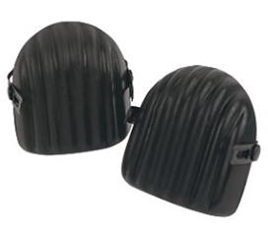 | 5282739 | KNEE PADS | £6.98 | £0.68 | 225 | One
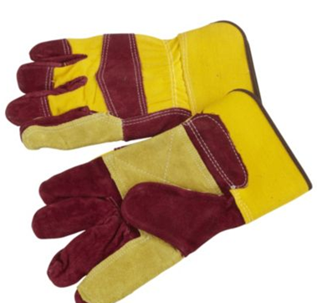 | 5321940 | HEAVY DUTY LEATHER WORK GLOVES | £5.98 | £0.90 | 1646 | One
 | 5397007073607 | HIGH VIS CHILDS VEST | £3.98 | £0.39 | 7640 | AGE 10-12
 | 5397007073584 | HIGH VIS CHILDS VEST | £3.98 | £0.39 | 6636 | AGE 7-9
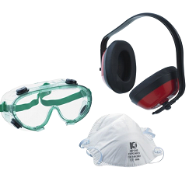 | 5330003 | PREMIUM SAFETY SET | £9.98 | £1.00 | 858 | one
 | 5397007073560 | HIGH VIS CHILDS VEST | £3.98 | £0.39 | 3393 | AGE 4-6
 | 5397007073447 | HI-VIS OVER-TROUSERS | £10.00 | £2.00 | 2028 | Medium
 | 5397007073485 | HI-VIS OVER-TROUSERS | £10.00 | £2.00 | 2138 | xl
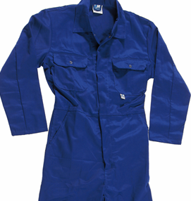 | 5397007073621 | HEAVY DUTY OVERALL | £17.98 | £3.70 | 2052 | Medium
 | 5397007073645 | HEAVY DUTY OVERALL | £17.98 | £3.70 | 2116 | large
 | 5397007073461 | HI-VIS OVER-TROUSERS | £10.00 | £2.00 | 827 | large
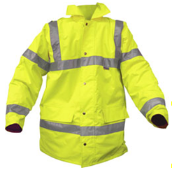 | 5397007073522 | HI-VIS HIGHWAY JACKET | £25.00 | £7.50 | 640 | large
 | 5397007073508 | HI-VIS HIGHWAY JACKET | £25.00 | £7.50 | 526 | medium
 | 5397007073546 | HI-VIS HIGHWAY JACKET | £25.00 | £7.50 | 329 | xl

