Sheet1
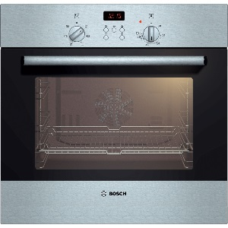
ITEM & Moble Number | QTY | RRP | GRADE | price
Hotpoint Double oven DBS539CKS | 1 | £525.00 | A NEW BOXED
Indesit Oven BIMDS23BIXS | 1 | £435.00 | A NEW BOXED
SLIMLINE DISHWASHER CLDW451W-C | 1 | £234.95 | A NEW BOXED
SLIMLINE DISHWASHER CLDW451W-C | 1 | £234.95 | A NEW BOXED
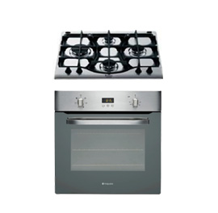
DISHWASHER CLDW601W-C | 1 | £245.00 | A NEW BOXED
Free standing frezzer CLFR1W-C | 1 | £172.00 | A NEW BOXED
Free standing frezzer CLFR1W-C | 1 | £172.00 | A NEW BOXED
Free standing frezzer CLFR1W-C | 1 | £172.00 | A NEW BOXED
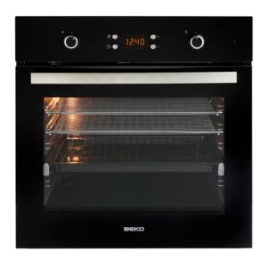
LARDER FRIDGE FS MTL55300 | 1 | £238.99 | A NEW BOXED
LARDER FRIDGE FS MTL55300 | 1 | £238.99 | A NEW BOXED
HOTPOINT SBS636XS WITH HOB GP641X | 1 | £399.00 | A NEW BOXED
HOTPOINT SBS636XS | 1 | £199.00 | A NEW BOXED
BOSCH BUILT-IN OVEN HBN331E1B | 1 | £299.00 | A NEW BOXED
INDESIT OVEN AND HOB PACK S1KA1XGB PIM640AS | 1 | £369.00 | A NEW BOXED small den't at rear of oven
CATA OVEN AND HOB PACK 65DME40135 | 1 | £269.00 | A NEW BOXED
Beko Ovens qsf240sb/qsf212x and hob pack | 5 | £299.00 | A NEW BOXED
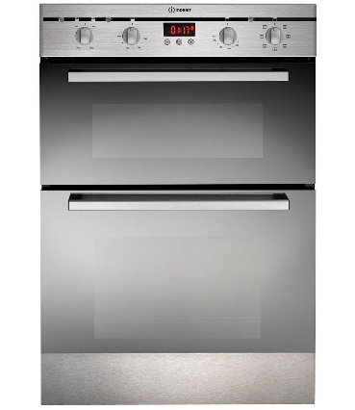
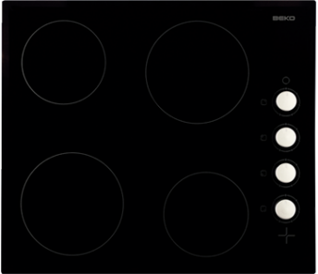
Beko Ovens qsf240sb/qsf212x single oven | 6 | £199.00 | Front door smashed on oven
Beko Ovens qsf240sb/qsf212x and hob pack | 13 | £299.00 | Hob A grade Front door smashed on oven
Indesit Oven & Hob pack CIM51KA1xGB | 1 | £299.00 | Hob A grade Front door smashed on oven
Indesit Oven & Hob pack CIM51KA1xGB | 1 | £299.00 | Hob A grade Front door smashed on oven
Indesit Oven & Hob pack CIM51KA1xGB | 1 | £299.00 | Hob A grade Front door smashed on oven
Hotpoint SBS636XS | 1 | £399.00 | Hob A grade Front door smashed on oven
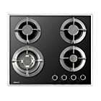
Smeg Fridge with samll frezzer box | 1 | £930.00 | B Grade door hinge spindle missing
 | 44

total RRP Value £14,177.80

